Relojes
ref | Composition | Taille | Quartz | Water Resistance | Garantie | PVP Euro | QUANTITY STOCK | TOTAL RETAIL | Photos | Fiche technique
15140.SA.T.10.NBG | Cellulose Acetate / Steel /Mineral Glass / Polyester NATO Strap | 40 mm | MIYOTA 0S21 | 100m/10ATM | 2 ans | 270.00 € | 1700 | 459,000 | 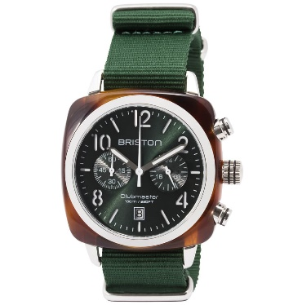 | https://www.briston-watches.com/produit/clubmaster-classic-acetate-15140-sa-t-10-nbg/
14140.PRA.T.1.NB | Cellulose Acetate / Steel and Rose Gold PVD /Mineral Glass / Polyester NATO Strap | 40 mm | MIYOTA 0S21 | 100m/10ATM | 2 ans | 290.00 € | 2400 | 696,000 | 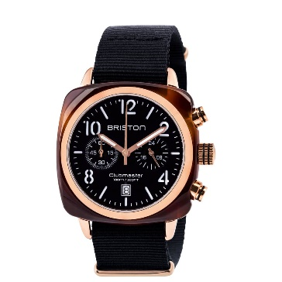 | https://www.briston-watches.com/produit/clubmaster-classic-acetate-gold-14140-pra-t-1-nb/
17140.PRA.T.2.NB | Cellulose Acetate / Steel and Rose Gold PVD /Mineral Glass / Polyester NATO Strap | 40 mm | MIYOTA 0S21 | 100m/10ATM | 2 ans | 290.00 € | 1600 | 464,000 | 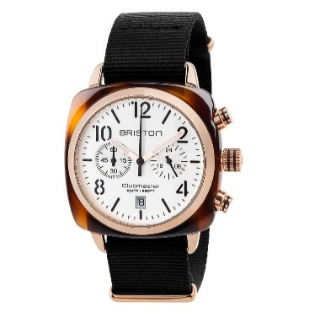 | https://www.briston-watches.com/en/product/clubmaster-classic-acetate-gold-17140-pra-t-2-nb/
14140.PRA.T.6.NB | Cellulose Acetate / Steel and Rose Gold PVD /Mineral Glass / Polyester NATO Strap | 40 mm | MIYOTA 0S21 | 100m/10ATM | 2 ans | 290.00 € | 1500 | 435,000 | 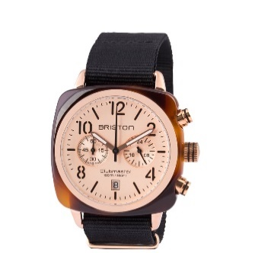 | https://www.briston-watches.com/produit/clubmaster-classic-acetate-gold-14140-pra-t-6-nb/
15140.PRA.T.8.NBDX | Cellulose Acetate / Steel and Rose Gold PVD /Mineral Glass / Polyester NATO Strap | 40 mm | MIYOTA 0S21 | 100m/10ATM | 2 ans | 290.00 € | 110 | 31,900 | 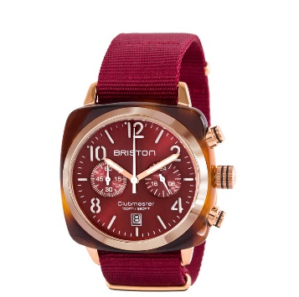 | https://www.briston-watches.com/produit/clubmaster-classic-acetate-gold-15140-pra-t-8-nbdx/
19140.PRA.T.26.NOL | Cellulose Acetate / Steel and Rose Gold PVD /Mineral Glass / Polyester NATO Strap | 40 mm | MIYOTA 0S21 | 100m/10ATM | 2 ans | 290.00 € | 1600 | 464,000 | 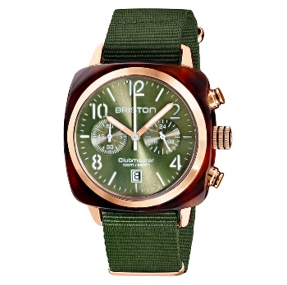 | https://www.briston-watches.com/produit/clubmaster-classic-acetate-gold-19140-pra-t-26-nol/
19140.PRA.T.27.NE | Cellulose Acetate / Steel and Rose Gold PVD /Mineral Glass / Polyester NATO Strap | 40 mm | MIYOTA 0S21 | 100m/10ATM | 2 ans | 290.00 € | 900 | 261,000 | 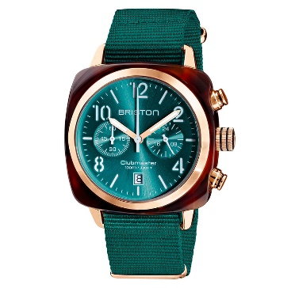 | https://www.briston-watches.com/produit/clubmaster-classic-acetate-gold-19140-pra-t-27-ne/
19140.PRA.T.30.NT | Cellulose Acetate / Steel and Rose Gold PVD /Mineral Glass / Polyester NATO Strap | 40 mm | MIYOTA 0S21 | 100m/10ATM | 2 ans | 290.00 € | 400 | 116,000 | 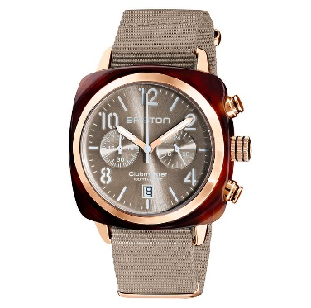 | https://www.briston-watches.com/produit/clubmaster-classic-acetate-gold-19140-pra-t-30-nt/
19140.PRA.T.31.NBD | Cellulose Acetate / Steel and Rose Gold PVD /Mineral Glass / Polyester NATO Strap | 40 mm | MIYOTA 0S21 | 100m/10ATM | 2 ans | 290.00 € | 900 | 261,000 | 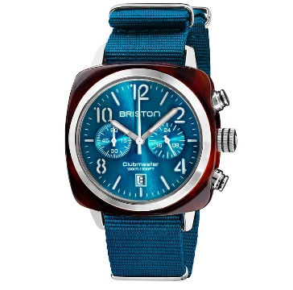 | https://www.briston-watches.com/produit/clubmaster-classic-pantone-acetate-19140-sa-t-31-nbd/
19140.PRA.T.33.NMB | Cellulose Acetate / Steel and Rose Gold PVD /Mineral Glass / Polyester NATO Strap | 40 mm | MIYOTA 0S21 | 100m/10ATM | 2 ans | 290.00 € | 1400 | 406,000 | 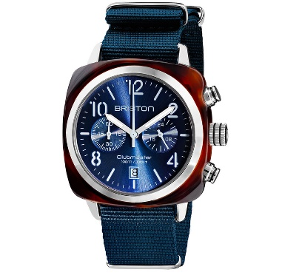 | https://www.briston-watches.com/produit/clubmaster-classic-pantone-acetate-19140-sa-t-33-nmb/
17140.PYA.T.2.NB | Cellulose Acetate / Steel and Yellow Gold PVD /Mineral Glass / Polyester NATO Strap | 40 mm | MIYOTA 0S21 | 100m/10ATM | 2 ans | 290.00 € | 200 | 58,000 | 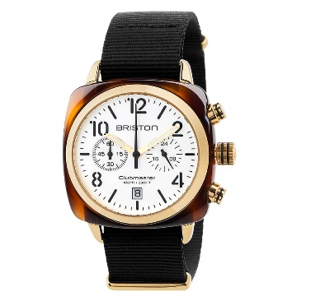 | https://www.briston-watches.com/produit/clubmaster-classic-acetate-gold-17140-pya-t-2-nb/
15140.PYA.T.10.NBG | Cellulose Acetate / Steel and Yellow Gold PVD /Mineral Glass / Polyester NATO Strap | 40 mm | MIYOTA 0S21 | 100m/10ATM | 2 ans | 290.00 € | 870 | 252,300 | 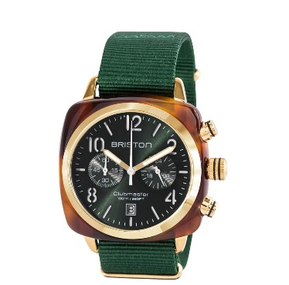 | https://www.briston-watches.com/produit/clubmaster-classic-acetate-gold-15140-pya-t-10-nbg/
19140.PYA.T.26.NOL | Cellulose Acetate / Steel and Yellow Gold PVD /Mineral Glass / Polyester NATO Strap | 40 mm | MIYOTA 0S21 | 100m/10ATM | 2 ans | 290.00 € | 1600 | 464,000 | 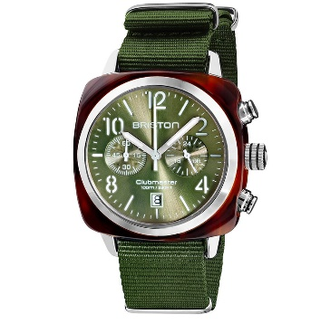 | https://www.briston-watches.com/produit/clubmaster-classic-pantone-acetate-19140-sa-t-26-nol/
19140.PYA.T.27.NE | Cellulose Acetate / Steel and Yellow Gold PVD /Mineral Glass / Polyester NATO Strap | 40 mm | MIYOTA 0S21 | 100m/10ATM | 2 ans | 290.00 € | 1700 | 493,000 | 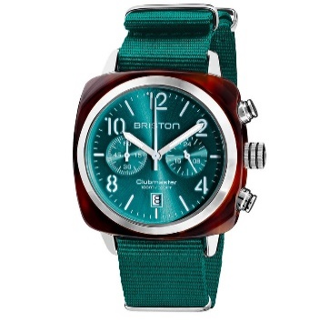 | https://www.briston-watches.com/produit/clubmaster-classic-pantone-acetate-19140-sa-t-27-ne/
19140.PYA.T.31.NBD | Cellulose Acetate / Steel and Yellow Gold PVD /Mineral Glass / Polyester NATO Strap | 40 mm | MIYOTA 0S21 | 100m/10ATM | 2 ans | 290.00 € | 500 | 145,000 | 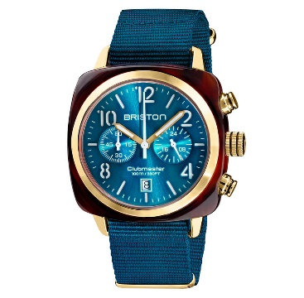 | https://www.briston-watches.com/produit/clubmaster-classic-acetate-gold-19140-pya-t-31-nbd/
19140.PYA.T.33.NMB | Cellulose Acetate / Steel and Yellow Gold PVD /Mineral Glass / Polyester NATO Strap | 40 mm | MIYOTA 0S21 | 100m/10ATM | 2 ans | 290.00 € | 500 | 145,000 | 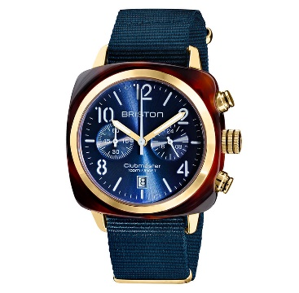 | https://www.briston-watches.com/produit/clubmaster-classic-acetate-gold-19140-pya-t-33-nmb/
17142.SA.BS.1.NB | Cellulose Acetate / Steel /Mineral Glass / Polyester NATO Strap | 40 mm | MIYOTA 0S21 | 100m/10ATM | 2 ans | 290.00 € | 300 | 87,000 | 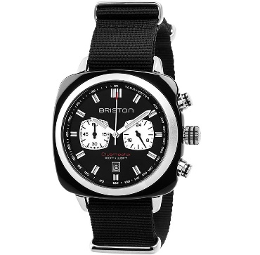 | https://www.briston-watches.com/produit/clubmaster-sport-acetate-noir-17142-sa-bs-1-nb/
17142.SA.BS.2.NB | Cellulose Acetate / Steel /Mineral Glass / Polyester NATO Strap | 40 mm | MIYOTA 0S21 | 100m/10ATM | 2 ans | 290.00 € | 300 | 87,000 | 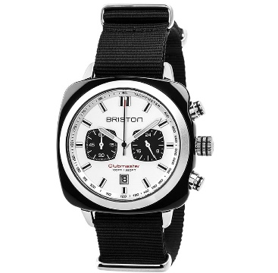 | https://www.briston-watches.com/produit/clubmaster-sport-acetate-noir-17142-sa-bs-2-nb/
TOTAL |  |  |  |  |  |  | 18,480 | 5,325,200

